Sheet1
1 | create database

2 | drop database

3 | crete table
4 | auto increment

5 | drop table

6 | alter table

7 | constranints
8 | foreign key

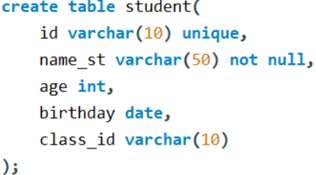
9 | unique
10 | not null
11 | dates

12 | primary key

13 | check

14 | default

15 | create index

